Turtlebot + launcher
Part Name |  | CG Position (mm) |  |  | remarks
 | mass (g) | x | y | z
Left wheel | 83.5 | 32.77 | 20.25 | 88.99
Right Wheel | 83.5 | 36.77 | 20.25 | -67.45
Raspberry Pi | 47 | 99.26 | 103.84 | 2.74
OpenCR | 64 | 62.05 | 55.89 | 11.69
Left Motor | 113 | 44.52 | 20.52 | 62.94
Right Motor | 113 | 48.52 | 19.98 | -42.41
Battery | 139 | 72.43 | 19.75 | 10.22 |  | Origin reference:
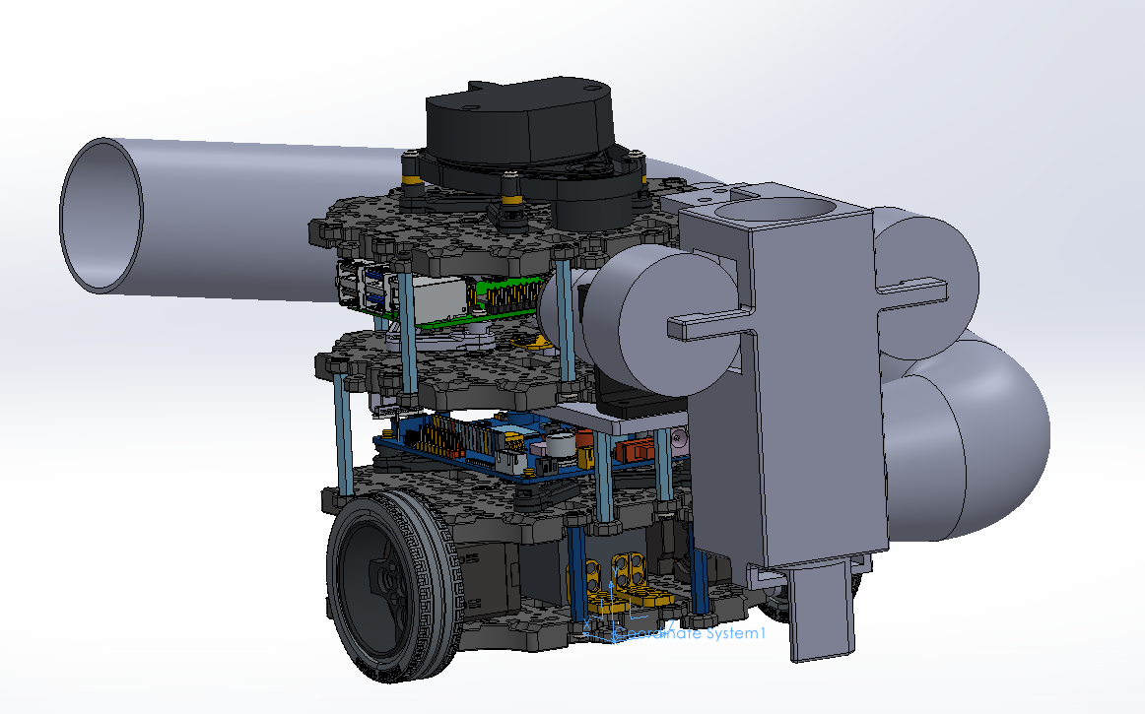
LiDAR | 127 | 67.79 | 139.84 | 10.38
PCB | 64 | 53.76 | 94.07 | 12.02
Ball Caster | 8 | 117.77 | -6.22 | 10.25
Waffle Plates First Floor | 79.5 | 68.77 | 2.16 | 10.26 | bottom plate
Waffle Plates Second Floor | 79.5 | 68.77 | 39.61 | 10.26
Waffle Plates Third Floor | 79.5 | 68.77 | 86.71 | 10.26
Waffle Plates Fourth Floor | 79.5 | 68.77 | 133.71 | 10.26 | top plate
Plate support 1a | 25 | 4.77 | 21 | -13.73
Plate support 1b | 25 | 4.77 | 18.8 | 34.27
Plate support 1c | 25 | 132.77 | 20.95 | 34.25
Plate support 1d | 25 | 132.77 | 18.75 | -13.75
Plate support 2a | 25 | 4.77 | 61.1 | -1.73
Plate support 2b | 25 | 92.77 | 63.25 | -53.75
Plate support 2c | 25 | 92.77 | 61.05 | 74.25
Plate support 2d | 25 | 4.77 | 63.3 | 22.27
Plate support 3a | 25 | 44.77 | 110.21 | 74.27
Plate support 3b | 25 | 4.77 | 108.01 | 34.27
Plate support 3c | 25 | 4.77 | 110.21 | -13.73
Plate support 3d | 25 | 132.77 | 110.25 | 34.25
Plate support 3e | 25 | 44.77 | 108.01 | -53.73
Plate support 3f | 25 | 132.77 | 108.05 | -13.75
pvc pipe 1 | 86.5 | 58.23 | 80.19 | 123.24
pvc pipe 2 | 91 | 172.46 | 123.81 | -9.71
joint 1 | 47.34 | -49.66 | 61.46 | 107.44
joint 2 | 42.49 | 166.2 | 100.72 | 113.27
launcher | 66.18 | -52.92 | 101.5 | 40.19
launcher platform | 20.28 | 5.84 | 81.51 | 37.62
driver gear 1 | 3.5 | -29.53 | 119 | 10.43
flywheel 1 | 18.46 | -58.03 | 122.51 | -7.76
driver gear 2 | 3.5 | -29.53 | 119 | 67.93
flywheel 2 | 18.46 | -58.03 | 122.51 | 86.24
arm | 3.5 | -19.85 | 44.72 | 40.24
servo bracket | 3.66 | 10.5 | 77.01 | 53.07
servo | 9 | 8.2 | 69.91 | 56.38
platform | 8.97 | -59.19 | 35.44 | 43.22
dc motor 1 | 243 | -5.83 | 111.7 | 10.43
motor bracket 1 | 7.43 | -19.47 | 105.18 | 4.93
dc motor 2 (flywheel) | 243 | -5.84 | 111.7 | 67.93
motor bracket 2 | 7.43 | -19.47 | 105.18 | 73.44
total | 2433.7 | 43.904415951 | 75.877141554 | 25.112001972

